Login
Project Name: |  | APP Cypress Automation |  |  |  www.SoftwareTestingMaterial.com
Module Name: |  | Login, User (Create, Delete, Edit)
Reference Document: |  | Module Penjaminan Mutu Perangkat Lunak
Created by: |  | Irvi Ariefatul Julia Putri
Date of creation: |  | 14/11/2023
Date of review: |  | 14/11/2023

TEST CASE ID | TEST SCENARIO | TEST CASE | TEST STEPS | TEST DATA | EXPECTED RESULT | ACTUAL RESULT | STATUS (PASS/FAIL) | SCREENSHOT
TC_LOGIN_1.1 | User can login | User can login with valid username and password | 1. Masukkan email "superadmin@gmail.com" | <Valid email> | User berhasil login dan diarahkan ke halaman beranda. | User berhasil login dan diarahkan ke halaman beranda. | PASS | 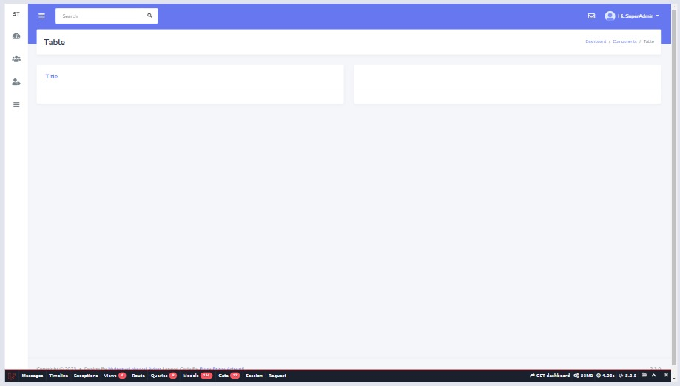
 |  |  | 2. Masukkan password "password" | <Valid password>
 |  |  | 3. Klik button "Login"

TC_LOGIN_1.2 | User can login | User cannot login with valid username and wrong password | 1. Masukkan email "superadmin@gmail.com" | <Valid email> | Menampilakan pesan "These credentials do not match our records." pada field password | Menampilakan pesan "These credentials do not match our records." pada field email | FAIL | 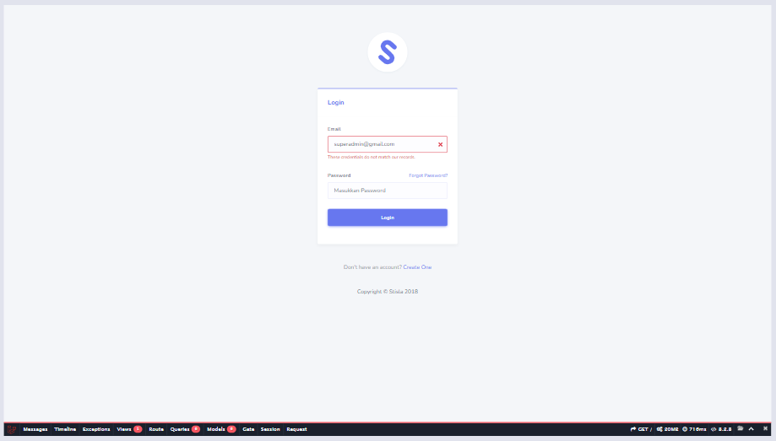
 |  |  | 2. Masukkan password "password-salah" | <Invalid password>
 |  |  | 3. Klik button "Login"

TC_LOGIN_1.3 | User can login | User cannot login with invalid username and valid password | 1. Masukkan email "superadminadasda@gmail.com" | <Invalid email> | Menampilakan pesan "These credentials do not match our records." pada field email | Menampilakan pesan "These credentials do not match our records." pada field email | PASS | 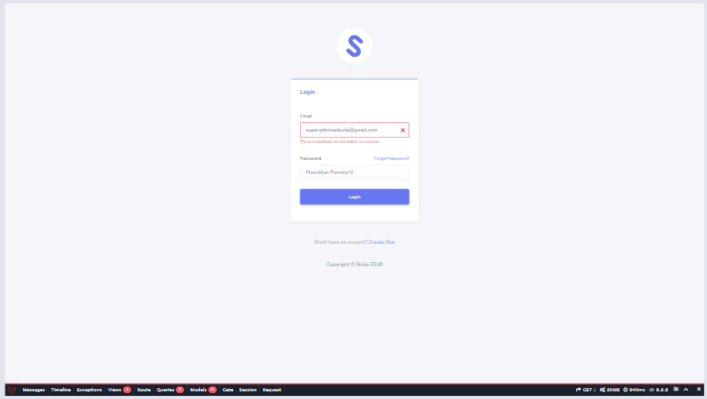
 |  |  | 2. Masukkan password "password" | <Valid Password>
 |  |  | 3. Klik button "Login"

TC_LOGIN_1.4 | User can login | User cannot login with empty username and correct password | 1. Kosongi email | <Invalid email> | Menampilakan pesan "The email field is required." pada field email | Menampilakan pesan "The email field is required." pada field email | PASS | 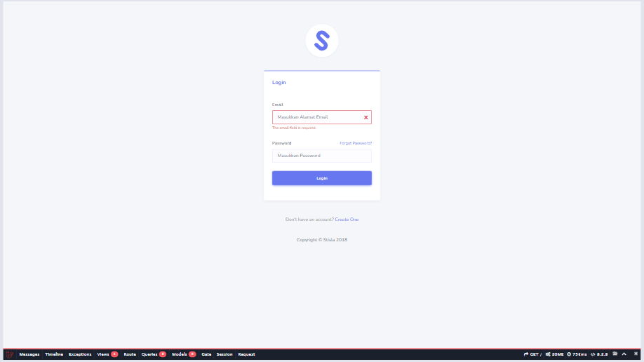
 |  |  | 2. Masukkan password "password" | <Valid password>
 |  |  | 3. Klik button "Login"

TC_LOGIN_1.5 | User can login | User cannot login with correct username and empty password | 1. Masukkan email "superadmin@gmail.com" | <Valid email> | Menampilakan pesan "The password field is required." pada field password | Menampilakan pesan "The password field is required." pada field password | PASS | 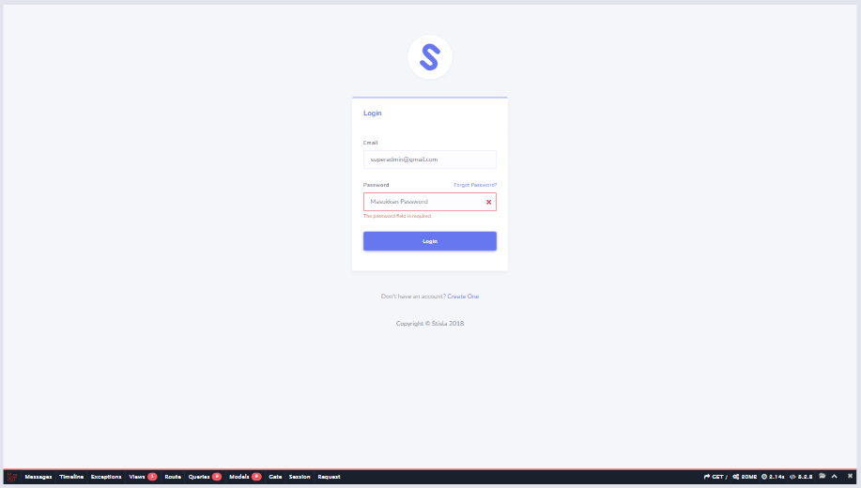
 |  |  | 2. Kosongi password | <Invalid password>
 |  |  | 3. Klik button "Login"

TC_LOGIN_1.6 | User can login | User cannot login with invalid username and invalid password | 1. Masukkan email "superadminada@gmail.com" | <Invalid email> | Menampilakan pesan "These credentials do not match our records." pada field email | Menampilakan pesan "These credentials do not match our records." pada field email | PASS | 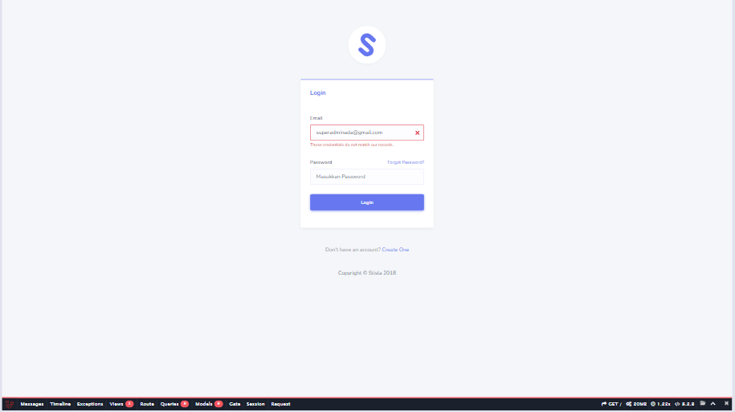
 |  |  | 2. Masukkan password "password-salah" | <Invalid password>
 |  |  | 3. Klik button "Login"

TC_LOGIN_1.7 | User can login | User cannot login with empty username and empty password | 1. Kosongi email | <Invalid email> | Menampilakan pesan "The email field is required." pada field email dan menampilkan pesan "The password field is required." pada field password | Menampilakan pesan "The email field is required." pada field email dan menampilkan pesan "The password field is required." pada field password | PASS | 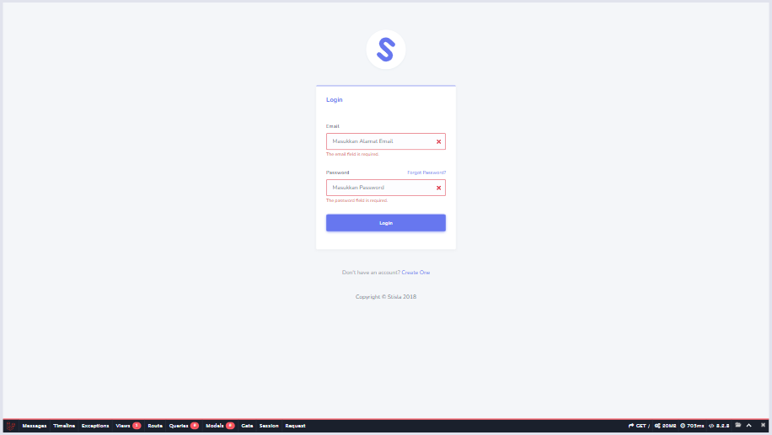
 |  |  | 2. Kosongi password | <Invalid password>
 |  |  | 3. Klik button "Login"

TC_LOGIN_1.8 | User can login | User cannot login with invalid username and empty password | 1. Masukkan email "superadminada@gmail.com" | <Invalid email> | Menampilakan pesan "The password field is required." pada field password | Menampilakan pesan "The password field is required." pada field password | PASS | 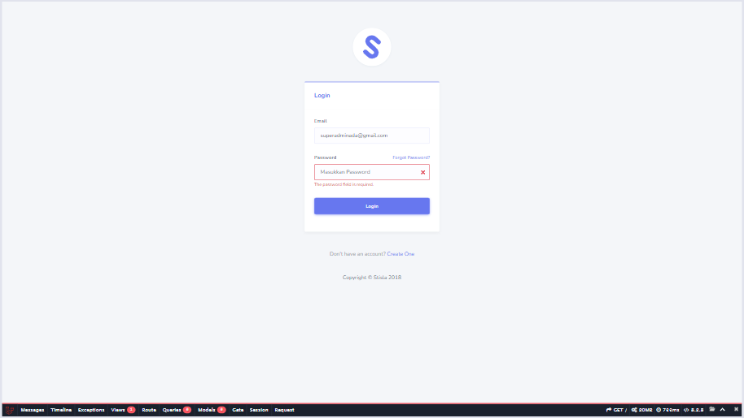
 |  |  | 2. Kosongi password | <Invalid password>
 |  |  | 3. Klik button "Login"

TC_LOGIN_1.9 | User can login | User cannot login with empty username and invalid password | 1. Kosongi email | <Invalid email> | Menampilakan pesan "The email field is required." pada field email | Menampilakan pesan "The email field is required." pada field email | PASS | 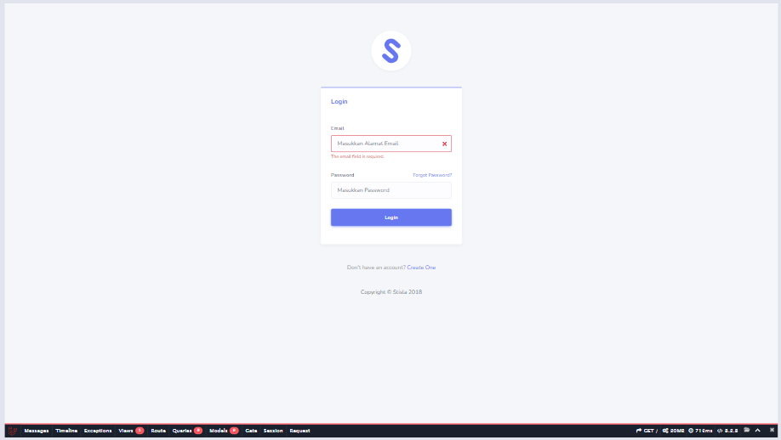
 |  |  | 2. Masukkan password "password-salah" | <Invalid password>
 |  |  | 3. Klik button "Login"

TC_LOGIN_1.10 | User can login | User can login with valid username and password (2) | 1. Masukkan email "superadmin@gmail.com" | <Valid email> | Menampilakan halaman login lagi setelah berhasil login dan klik button logout | Menampilakan halaman login lagi setelah berhasil login dan klik button logout | PASS | 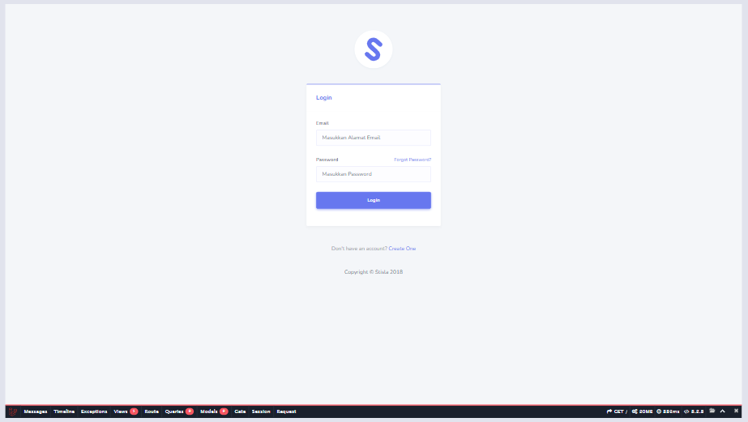
 |  |  | 2. Masukkan password "password" | <Valid password>
 |  |  | 3. Klik button "Login"
 |  |  | 4. Masuk halaman beranda dan klik button "Logout"

Create
Project Name: |  | APP Cypress Automation |  |  | www.SoftwareTestingMaterial.com
Module Name: |  | Login, User (Create, Delete, Edit)
Reference Document: |  | Module Penjaminan Mutu Perangkat Lunak
Created by: |  | Irvi Ariefatul Julia Putri
Date of creation: |  | 14/11/2023
Date of review: |  | 14/11/2023

TEST CASE ID | TEST SCENARIO | TEST CASE | TEST STEPS | TEST DATA | EXPECTED RESULT | ACTUAL RESULT | STATUS (PASS/FAIL) | SCREENSHOT
TC_CREATE_USER_2.1 | User can create new user | User can create new user | 1. Login |  | User berhasil login dan diarahkan ke halaman beranda. | User berhasil login dan diarahkan ke halaman beranda. | PASS | 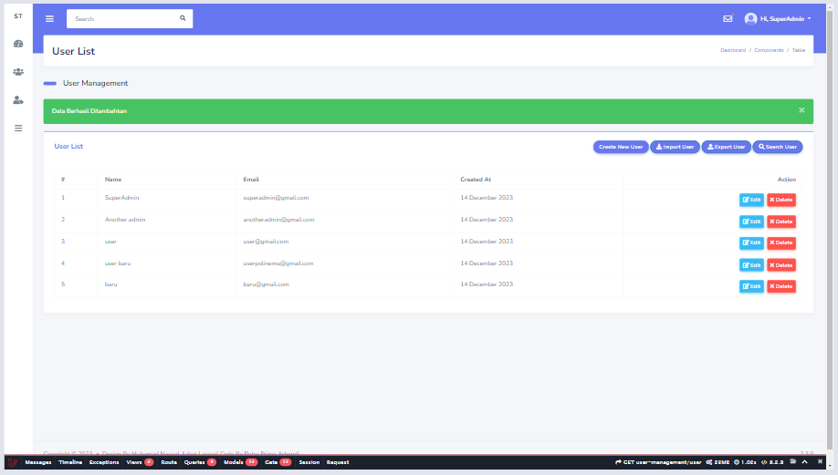
 |  |  | 2. Klik "User Management" pada halaman Dashboard |  | Menampilkan "User List" | Menampilkan "User List" | PASS
 |  |  | 3. Klik "User List" |  | User diarahkan ke halaman User List. | User diarahkan ke halaman User List. | PASS
 |  |  | 4. Klik "Create New User" |  | User diarahkan ke halaman Tabel User. | User diarahkan ke halaman Tabel User. | PASS
 |  |  | 5. Masukkan name "baru" | <Valid name> | User diarahkan ke halaman User List dan sistem menampilkan pesan "Data Berhasil Ditambahkan" pada halaman tabel user | User diarahkan ke halaman User List dan sistem menampilkan pesan "Data Berhasil Ditambahkan" pada halaman tabel user | PASS
 |  |  | 6. Masukkan email "baru@gmail.com" | <Valid email>
 |  |  | 7. Masukkan password "1234567890" | <Valid password>
 |  |  | 8. Klik "Submit"

TC_CREATE_USER_2.2 | User can create new user | User cannot create new user because invalid email | 1. Login |  | User berhasil login dan diarahkan ke halaman beranda. |  | PASS | 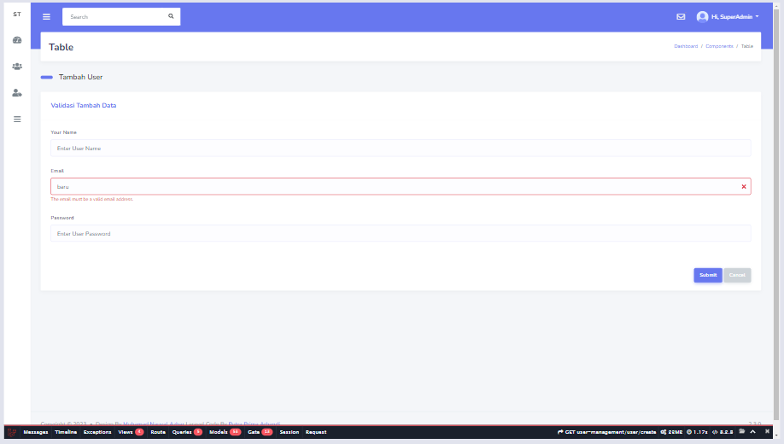
 |  |  | 2. Klik "User Management" pada halaman Dashboard |  | Menampilkan "User List" | Menampilkan "User List" | PASS
 |  |  | 3. Klik "User List" |  | User diarahkan ke halaman User List. | User diarahkan ke halaman User List. | PASS
 |  |  | 4. Klik "Create New User" |  | User diarahkan ke halaman Tabel User. | User diarahkan ke halaman Tabel User. | PASS
 |  |  | 5. Masukkan name "baru" | <Valid name> | Sistem menampilkan pesan "The email must be a valid email address." pada field email | Sistem menampilkan pesan "The email must be a valid email address." pada field email | PASS
 |  |  | 6. Masukkan email "baru" | <Invalid email>
 |  |  | 7. Masukkan password "1234567890" | <Valid password>
 |  |  | 8. Klik "Submit"

TC_CREATE_USER_2.3 | User can create new user | User cannot create new user because name is required | 1. Login |  | User berhasil login dan diarahkan ke halaman beranda. | User berhasil login dan diarahkan ke halaman beranda. | PASS | 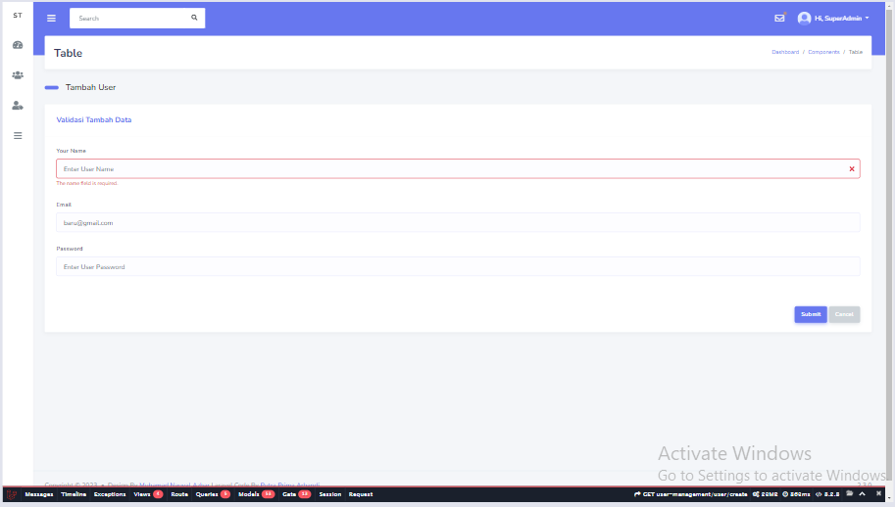
 |  |  | 2. Klik "User Management" pada halaman Dashboard |  | Menampilkan "User List" | Menampilkan "User List" | PASS
 |  |  | 3. Klik "User List" |  | User diarahkan ke halaman User List. | User diarahkan ke halaman User List. | PASS
 |  |  | 4. Klik "Create New User" |  | User diarahkan ke halaman Tabel User. | User diarahkan ke halaman Tabel User. | PASS
 |  |  | 5. Kosongi name | <Invalid name> | Sistem menampilkan pesan "The name field is required." pada field name | Sistem menampilkan pesan "The name field is required." pada field name | PASS
 |  |  | 6. Masukkan email "baru@gmail.com" | <Valid email>
 |  |  | 7. Masukkan password "1234567890" | <Valid password>
 |  |  | 8. Klik "Submit"

TC_CREATE_USER_2.4 | User can create new user | User cannot create new user because password is required | 1. Login |  | User berhasil login dan diarahkan ke halaman beranda. | User berhasil login dan diarahkan ke halaman beranda. | PASS | 
 |  |  | 2. Klik "User Management" pada halaman Dashboard |  | Menampilkan "User List" | Menampilkan "User List" | PASS
 |  |  | 3. Klik "User List" |  | User diarahkan ke halaman User List. | User diarahkan ke halaman User List. | PASS
 |  |  | 4. Klik "Create New User" |  | User diarahkan ke halaman Tabel User. | User diarahkan ke halaman Tabel User. | PASS
 |  |  | 5. Masukkan name "baru" | <Valid name> | Sistem menampilkan pesan "The password field is required." pada field password | Sistem menampilkan pesan "The password field is required." pada field password | PASS
 |  |  | 6. Masukkan email "baru@gmail.com" | <Valid email>
 |  |  | 7. Kosongi password | <Invalid password>
 |  |  | 8. Klik "Submit"

TC_CREATE_USER_2.5 | User can create new user | User cannot create new user because email is required | 1. Login |  | User berhasil login dan diarahkan ke halaman beranda. | User berhasil login dan diarahkan ke halaman beranda. | PASS | 
 |  |  | 2. Klik "User Management" pada halaman Dashboard |  | Menampilkan "User List" | Menampilkan "User List" | PASS
 |  |  | 3. Klik "User List" |  | User diarahkan ke halaman User List. | User diarahkan ke halaman User List. | PASS
 |  |  | 4. Klik "Create New User" |  | User diarahkan ke halaman Tabel User. | User diarahkan ke halaman Tabel User. | PASS
 |  |  | 5. Masukkan name "baru" | <Valid name> | Sistem menampilkan pesan "The email field is required." pada field email | Sistem menampilkan pesan "The email field is required." pada field email | PASS
 |  |  | 6. Kosongi email | <Invalid email>
 |  |  | 7. Masukkan password "1234567890" | <Valid password>
 |  |  | 8. Klik "Submit"

Delete
Project Name: |  | APP Cypress Automation |  |  | www.SoftwareTestingMaterial.com
Module Name: |  | Login, User (Create, Delete, Edit)
Reference Document: |  | Module Penjaminan Mutu Perangkat Lunak
Created by: |  | Irvi Ariefatul Julia Putri
Date of creation: |  | 14/11/2023
Date of review: |  | 14/11/2023

TEST CASE ID | TEST SCENARIO | TEST CASE | TEST STEPS | TEST DATA | EXPECTED RESULT | ACTUAL RESULT | STATUS (PASS/FAIL) | SCREENSHOT
TC_DELETE_USER_3.1 | User can delete data | User can delete data | 1. Login |  | User berhasil login dan diarahkan ke halaman beranda. | User berhasil login dan diarahkan ke halaman beranda. | PASS
 |  |  | 2. Klik "User Management" pada halaman Dashboard |  | Menampilkan "User List" | Menampilkan "User List" | PASS
 |  |  | 3. Klik "User List" |  | User diarahkan ke halaman User List. | User diarahkan ke halaman User List. | PASS
 |  |  | 4. Klik "Create New User" |  | User diarahkan ke halaman Tabel User. | User diarahkan ke halaman Tabel User. | PASS
 |  |  | 5. Pilih user yang akan dihapus |  | Sistem menampilkan pesan "Are you sure you want to delete this record? If you delete this, it will be gone forever." pada halaman Table User | Sistem menampilkan pesan 'Are you sure you want to delete this record? If you delete this, it will be gone forever.' pada halaman Table User | PASS
 |  |  | 6. Klik button "Delete"
 |  |  | 7. Klik "OK" |  | Sistem menampilkan pesan "User Deleted Successful" pada halaman Table User | Sistem menampilkan pesan 'User Deleted Successful' pada halaman Table User | PASS
 |  |  |  |  |  |  |  | 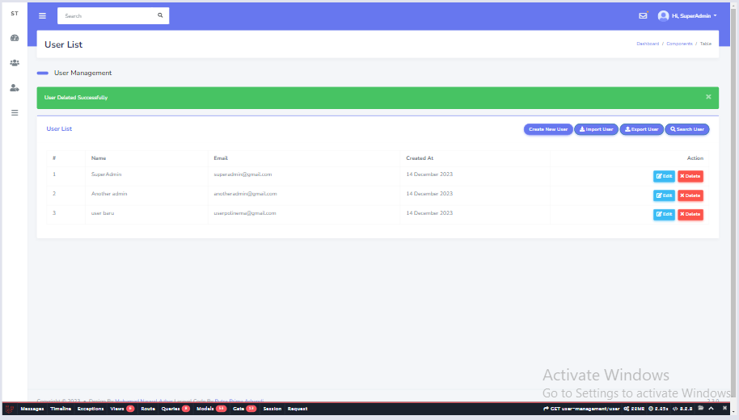
TC_DELETE_USER_3.2 | User can delete data | User can cancel delete data | 1. Login |  | User berhasil login dan diarahkan ke halaman beranda. | User berhasil login dan diarahkan ke halaman beranda. | PASS | 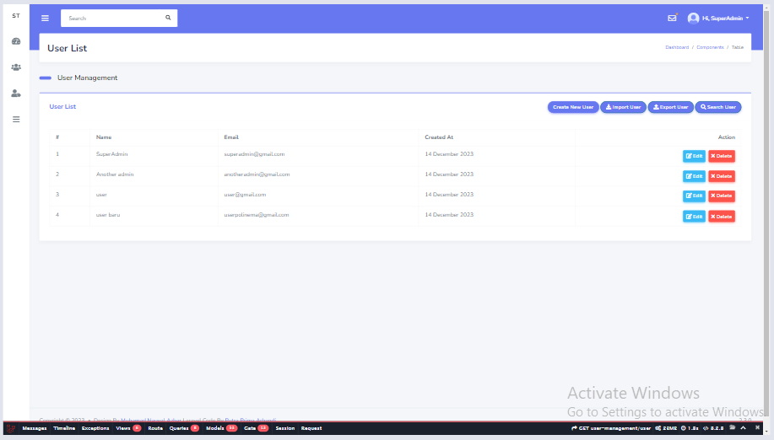
 |  |  | 2. Klik "User Management" pada halaman Dashboard |  | Menampilkan "User List" | Menampilkan "User List" | PASS
 |  |  | 3. Klik "User List" |  | User diarahkan ke halaman User List. | User diarahkan ke halaman User List. | PASS
 |  |  | 4. Klik "Create New User" |  | User diarahkan ke halaman Tabel User. | User diarahkan ke halaman Tabel User. | PASS
 |  |  | 5. Pilih user yang akan dihapus |  | Sistem menampilkan pesan "Are you sure you want to delete this record? If you delete this, it will be gone forever." pada halaman Table User | Sistem menampilkan pesan "Are you sure you want to delete this record? If you delete this, it will be gone forever."pada halaman Table User | PASS
 |  |  | 6. Klik button "Delete"
 |  |  | 7. Klik "Cancel" |  | Data yang dipilih masih ada dan user berada pada halaman Table User | Data yang dipilih masih ada dan user berada pada halaman Table User | PASS

Edit
Project Name: |  | APP Cypress Automation |  |  | www.SoftwareTestingMaterial.com
Module Name: |  | Login, User (Create, Delete, Edit)
Reference Document: |  | Module Penjaminan Mutu Perangkat Lunak
Created by: |  | Irvi Ariefatul Julia Putri
Date of creation: |  | 14/11/2023
Date of review: |  | 14/11/2023

TEST CASE ID | TEST SCENARIO | TEST CASE | TEST STEPS | TEST DATA | EXPECTED RESULT | ACTUAL RESULT | STATUS (PASS/FAIL) | SCREENSHOT
TC_EDIT_USER_4.1 | User can edit | User can edit existing data | 1. Login |  | User berhasil login dan diarahkan ke halaman beranda. | User berhasil login dan diarahkan ke halaman beranda. | PASS | 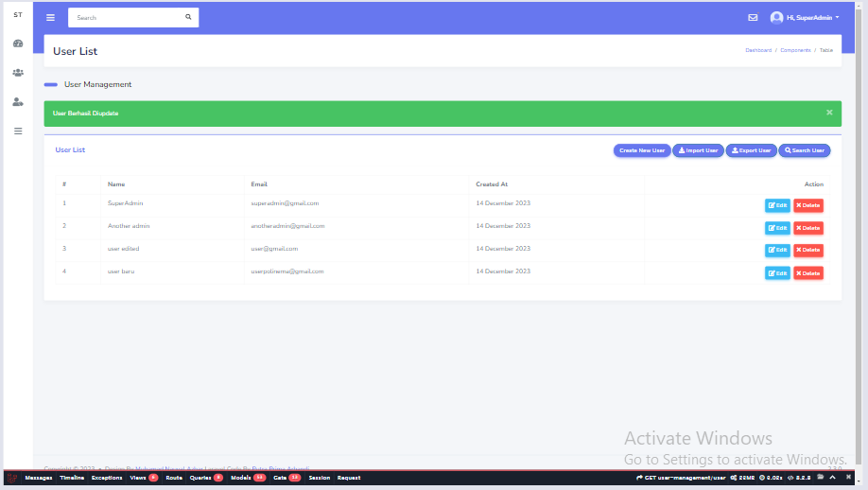
 |  |  | 2. Klik "User Management" pada halaman Dashboard |  | Menampilkan "User List" | Menampilkan "User List" | PASS
 |  |  | 3. Klik "User List" |  | User diarahkan ke halaman User List. | User diarahkan ke halaman User List. | PASS
 |  |  | 4. Klik "Create New User" |  | User diarahkan ke halaman Tabel User. | User diarahkan ke halaman Tabel User. | PASS
 |  |  | 5. Pilih user yang akan diedit |  | User diarahkan ke halaman Edit User. | User diarahkan ke halaman Edit User. | PASS
 |  |  | 6. Klik button "Edit"
 |  |  | 7. Ubah "name" |  | Sistem menampilkan pesan "User Berhasil Diupdate" pada halaman tabel user | Sistem menampilkan pesan "User Berhasil Diupdate" pada halaman tabel user | PASS
 |  |  | 8. Klik "Submit"

TC_EDIT_USER_4.2 | User can edit | User cannot edit data with blank username | 1. Login |  | User berhasil login dan diarahkan ke halaman beranda. | User berhasil login dan diarahkan ke halaman beranda. | PASS | 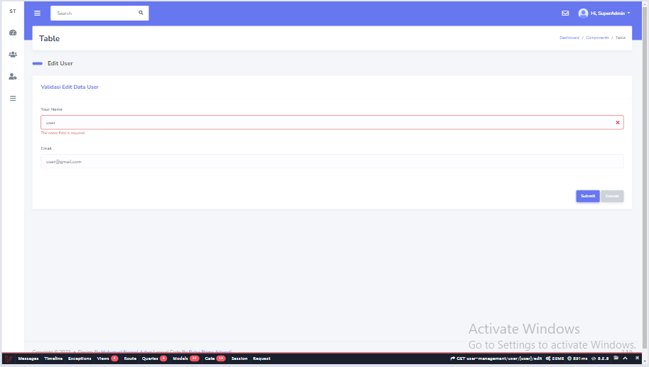
 |  |  | 2. Klik "User Management" pada halaman Dashboard |  | Menampilkan "User List" | Menampilkan "User List" | PASS
 |  |  | 3. Klik "User List" |  | User diarahkan ke halaman User List. | User diarahkan ke halaman User List. | PASS
 |  |  | 4. Klik "Create New User" |  | User diarahkan ke halaman Tabel User. | User diarahkan ke halaman Tabel User. | PASS
 |  |  | 5. Pilih user yang akan diedit |  | User diarahkan ke halaman Edit User. | User diarahkan ke halaman Edit User. | PASS
 |  |  | 6. Klik button "Edit"
 |  |  | 7. Kosongi name |  | Sistem menampilkan pesan "The name field is required." pada field name | Sistem menampilkan pesan "The name field is required." pada field name | PASS
 |  |  | 8. Klik "Submit"

TC_EDIT_USER_4.3 | User can edit | User cannot edit data with blank email | 1. Login |  | User berhasil login dan diarahkan ke halaman beranda. | User berhasil login dan diarahkan ke halaman beranda. | PASS | 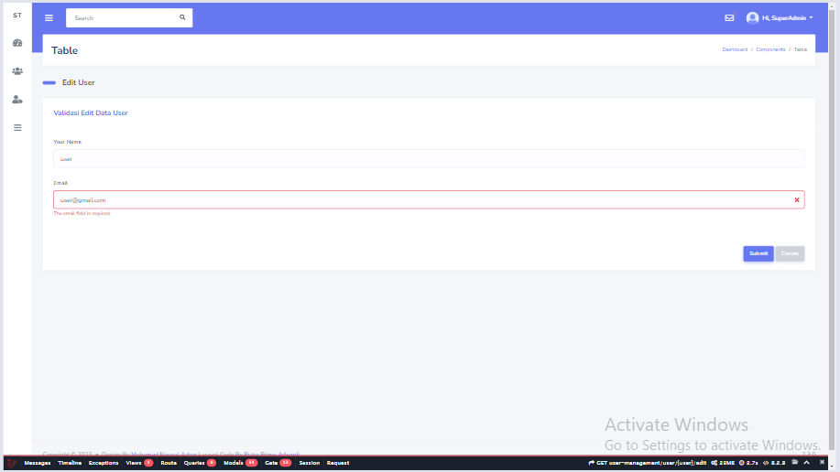
 |  |  | 2. Klik "User Management" pada halaman Dashboard |  | Menampilkan "User List" | Menampilkan "User List" | PASS
 |  |  | 3. Klik "User List" |  | User diarahkan ke halaman User List. | User diarahkan ke halaman User List. | PASS
 |  |  | 4. Klik "Create New User" |  | User diarahkan ke halaman Tabel User. | User diarahkan ke halaman Tabel User. | PASS
 |  |  | 5. Pilih user yang akan diedit |  | User diarahkan ke halaman Edit User. | User diarahkan ke halaman Edit User. | PASS
 |  |  | 6. Klik button "Edit"
 |  |  | 7. Kosongi email |  | Sistem menampilkan pesan "The email field is required." pada field email | Sistem menampilkan pesan "The email field is required." pada field email | PASS
 |  |  | 8. Klik "Submit"

TC_EDIT_USER_4.4 | User can edit | User cannot edit data with all blank fields | 1. Login |  | User berhasil login dan diarahkan ke halaman beranda. | User berhasil login dan diarahkan ke halaman beranda. | PASS | 
 |  |  | 2. Klik "User Management" pada halaman Dashboard |  | Menampilkan "User List" | Menampilkan "User List" | PASS
 |  |  | 3. Klik "User List" |  | User diarahkan ke halaman User List. | User diarahkan ke halaman User List. | PASS
 |  |  | 4. Klik "Create New User" |  | User diarahkan ke halaman Tabel User. | User diarahkan ke halaman Tabel User. | PASS
 |  |  | 5. Pilih user yang akan diedit |  | User diarahkan ke halaman Edit User. | User diarahkan ke halaman Edit User. | PASS
 |  |  | 6. Klik button "Edit"
 |  |  | 7. Kosongi semua fields |  | Sistem menampilkan pesan "The name field is required." pada field name dan menampilkan pesan "The email field is required." pada field email | Sistem menampilkan pesan "The name field is required." pada field name dan menampilkan pesan "The email field is required." pada field email | PASS
 |  |  | 8. Klik "Submit"

